Figures - Main
 | ICER |  | Expert Group 1 |  | Expert Group 2 |  | 100K Benchmark |  | 150K Benchmark |  | ICER |  | Expert Group 1 |  | Expert Group 2 |  | 100K Benchmark |  | 150K Benchmark
$146 | 4.5 | $121 | 4.5 | $146 | 4.5 |  |  |  |  | $146 | 4.5 | $121 | 4.5 | $146 | 4.5 | 100 | 0 | 150 | 0
$146 | 4.5 | $139 | 4.5 | $146 | 4.5 |  |  |  |  | $146 | 4.5 | $139 | 4.5 | $146 | 4.5 | 100 | 5 | 150 | 5
$146 | 4.5 | $139 | 4.5 | $128 | 4.5 |  |  |  |  | $146 | 4.5 | $139 | 4.5 | $128 | 4.5
$146 | 4.5 | $139 | 4.5 | $125 | 4.5 |  |  |  |  | $146 | 4.5 | $139 | 4.5 | $125 | 4.5
$146 | 4.5 | $146 | 4.5 | $146 | 4.5 |  |  |  |  | $146 | 4.5 | $146 | 4.5 | $146 | 4.5
$146 | 4.5 | $146 | 4.5 | $152 | 4.5 |  |  |  |  | $146 | 4.5 | $146 | 4.5 | $152 | 4.5
$146 | 4.5 | $123 | 4.5 | $126 | 4.5 |  |  |  |  | $146 | 4.5 | $123 | 4.5 | $126 | 4.5
$295 | 3.5 | $233 | 3.5 | $244 | 3.5 |  |  |  |  | $295 | 3.5 | $233 | 3.5 | $244 | 3.5
 |  |  |  |  |  |  |  |  |  | $295 | 3.5 | $266 | 3.5 | $295 | 3.5
 |  |  |  |  |  |  |  |  |  | $295 | 3.5 | $268 | 3.5 | $239 | 3.5
 |  |  |  |  |  |  |  |  |  | $295 | 3.5 | $277 | 3.5 | $242 | 3.5
 |  |  |  |  |  |  |  |  |  | $295 | 3.5 | $295 | 3.5 | $156 | 3.5
 |  |  |  |  |  |  |  |  |  | $295 | 3.5 | $298 | 3.5 |  | 3.5
 |  |  |  |  |  |  |  |  |  | $295 | 3.5 | $268 | 3.5 | $271 | 3.5
 |  |  |  |  |  |  |  |  |  | $291 | 2.5 | $- | 2.5 | $98 | 2.5
 |  |  |  |  |  |  |  |  |  | $291 | 2.5 | $89 | 2.5 | $171 | 2.5
 |  |  |  |  |  |  |  |  |  | $291 | 2.5 | $267 | 2.5 | $238 | 2.5
 |  |  |  |  |  |  |  |  |  | $291 | 2.5 | $295 | 2.5 | $295 | 2.5
 |  |  |  |  |  |  |  |  |  | $291 | 2.5 | $267 | 2.5 | $238 | 2.5
 |  |  |  |  |  |  |  |  |  | $291 | 2.5 | $292 | 2.5 | $292 | 2.5
 |  |  |  |  |  |  |  |  |  | $291 | 2.5 | $291 | 2.5 | $117 | 2.5
 |  |  |  |  |  |  |  |  |  | $291 | 2.5 | $291 | 2.5 | $292 | 2.5
 |  |  |  |  |  |  |  |  |  | $324 | 1.5 | $56 | 1.5 | $181 | 1.5
 |  |  |  |  |  |  |  |  |  | $324 | 1.5 | $162 | 1.5 | $235 | 1.5
 |  |  |  |  |  |  |  |  |  | $324 | 1.5 | $295 | 1.5 | $263 | 1.5
 |  |  |  |  |  |  |  |  |  | $324 | 1.5 | $263 | 1.5 | $277 | 1.5
 |  |  |  |  |  |  |  |  |  | $324 | 1.5 | $248 | 1.5 | $274 | 1.5
 |  |  |  |  |  |  |  |  |  | $324 | 1.5 | $328 | 1.5 | $328 | 1.5
 |  |  |  |  |  |  |  |  |  | $324 | 1.5 | $307 | 1.5 | $274 | 1.5
 |  |  |  |  |  |  |  |  |  | $324 | 1.5 | $325 | 1.5 | $325 | 1.5
 |  |  |  |  |  |  |  |  |  | $324 | 1.5 | $324 | 1.5 | $324 | 1.5
 |  |  |  |  |  |  |  |  |  | $369 | 0.5 | $- | 0.5 | $- | 0.5
 |  |  |  |  |  |  |  |  |  | $369 | 0.5 | $- | 0.5 | $112 | 0.5
 |  |  |  |  |  |  |  |  |  | $369 | 0.5 | $333 | 0.5 | $298 | 0.5
 |  |  |  |  |  |  |  |  |  | $369 | 0.5 | $374 | 0.5 | $374 | 0.5
 |  |  |  |  |  |  |  |  |  | $369 | 0.5 | $367 | 0.5 | $340 | 0.5
 |  |  |  |  |  |  |  |  |  | $369 | 0.5 | $370 | 0.5 | $370 | 0.5
 |  |  |  |  |  |  |  |  |  | $369 | 0.5 | $369 | 0.5 | $187 | 0.5
 |  |  |  |  |  |  |  |  |  | $369 | 0.5 | $369 | 0.5 | $370 | 0.5
 |  |  |  |  |  |  |  |  |  |  |  |  | 0 |  | 0
 |  |  |  |  |  |  |  |  |  |  |  |  | 5 |  | 5
 |  |  |  |  |  |  |  |  |  |  |  |  | 0 |  | 0
 |  |  |  |  |  |  |  |  |  |  |  |  | 5 |  | 5
 |  | Analysis (a) Olaparib for Recurrent BRCA-mutated population
 |  | ICER | Expert Group 1 | Expert Group 2 | 100K Benchmark | 150K Benchmark | Analysis
Utility weights | Prog disease on Olaparib | $146 | $121 | $146 |  |  | 4.5
 | Prog disease on PLD+C | $146 | $139 | $146 |  |  | 4.5
 | Prog-free disease on Olaparib | $146 | $139 | $128 |  |  | 4.5
 | Prog-free disease on PLD+C | $146 | $139 | $125 |  |  | 4.5
 |  | $146 | $146 | $146 |  |  | 4.5
Overall survival extrapolation |  | $146 | $146 | $152 |  |  | 4.5
 |  | $146 | $123 | $126 |  |  | 4.5
Duration of treatment (PLD+C)
 |  | $295 | $233 | $244 |  |  | 3.5
Neutropenia - Adverse event cost |  | $295 | $266 | $295 |  |  | 3.5
 |  | $295 | $268 | $239 |  |  | 3.5
 |  | $295 | $277 | $242 |  |  | 3.5
 |  | $295 | $295 | $156 |  |  | 3.5
 |  | $295 | $298 |  |  |  | 3.5
 |  | $295 | $268 | $271 |  |  | 3.5

 |  | $291 | $- | $98 |  |  | 2.5
 |  | $291 | $89 | $171 |  |  | 2.5
 |  | $291 | $267 | $238 |  |  | 2.5
 |  | $291 | $295 | $295 |  |  | 2.5
 |  | $291 | $267 | $238 |  |  | 2.5
 |  | $291 | $292 | $292 |  |  | 2.5
 |  | $291 | $291 | $117 |  |  | 2.5
 |  | $291 | $291 | $292 |  |  | 2.5

 |  | $324 | $56 | $181 |  |  | 1.5
 |  | $324 | $162 | $235 |  |  | 1.5
 |  | $324 | $295 | $263 |  |  | 1.5
 |  | $324 | $263 | $277 |  |  | 1.5
 |  | $324 | $248 | $274 |  |  | 1.5
 |  | $324 | $328 | $328 |  |  | 1.5
 |  | $324 | $307 | $274 |  |  | 1.5
 |  | $324 | $325 | $325 |  |  | 1.5
 |  | $324 | $324 | $324 |  |  | 1.5

 |  | $369 | $- | $- |  |  | 0.5
 |  | $369 | $- | $112 |  |  | 0.5
 |  | $369 | $333 | $298 |  |  | 0.5
 |  | $369 | $374 | $374 |  |  | 0.5
 |  | $369 | $367 | $340 |  |  | 0.5
 |  | $369 | $370 | $370 |  |  | 0.5
 |  | $369 | $369 | $187 |  |  | 0.5
 |  | $369 | $369 | $370 |  |  | 0.5

 |  |  |  |  | 100 |  | 0
 |  |  |  |  | 100 |  | 5
 |  |  |  |  |  | 150 | 0
 |  |  |  |  |  | 150 | 5

Figures
 | ICER |  | Expert Group 1 |  | Expert Group 2 |  | 100K Benchmark |  | 150K Benchmark |  | ICER |  | Expert Group 1 |  | Expert Group 2 |  | 100K Benchmark |  | 150K Benchmark
$146 | 1.375 | $121 | 1.375 | $146 | 1.375 | 100 | 0 | 150 | 0 | $146 | 1.375 | $121 | 1.375 | $146 | 1.375 | 100 | 0 | 150 | 0
$146 | 1.125 | $139 | 1.125 | $146 | 1.125 | 100 | 5 | 150 | 5 | $146 | 1.125 | $139 | 1.125 | $146 | 1.125 | 100 | 5 | 150 | 5
$146 | 0.875 | $139 | 0.875 | $128 | 0.875 |  |  |  |  | $146 | 0.875 | $139 | 0.875 | $128 | 0.875
$146 | 0.625 | $139 | 0.625 | $125 | 0.625 |  |  |  |  | $146 | 0.625 | $139 | 0.625 | $125 | 0.625
$146 | 2.5 | $146 | 2.5 | $146 | 2.5 |  |  |  |  | $146 | 2.5 | $146 | 2.5 | $146 | 2.5
$146 | 3.5 | $146 | 3.5 | $152 | 3.5 |  |  |  |  | $146 | 3.5 | $146 | 3.5 | $152 | 3.5
$146 | 4.5 | $123 | 4.5 | $126 | 4.5 |  |  |  |  | $146 | 4.5 | $123 | 4.5 | $126 | 4.5
Neutrapenia - adverse event cost
 |  | Analysis (a) Olaparib for Recurrent BRCA-mutated population
 |  | ICER | Expert Group 1 | Expert Group 2 | 100K Benchmark | 150K Benchmark | Assumption Group
Utility weights | Prog disease on Olaparib | $146 | $121 | $146 |  |  | 1.375
Duration of treatment (PLD+C)
 | Prog disease on PLD+C | $146 | $139 | $146 |  |  | 1.125
 | Prog-free disease on Olaparib | $146 | $139 | $128 |  |  | 0.875
Overall survival extrapolation
 | Prog-free disease on PLD+C | $146 | $139 | $125 |  |  | 0.625

Overall survival extrapolation |  | $146 | $146 | $146 |  |  | 2.5

Duration of treatment (PLD+C) |  | $146 | $146 | $152 |  |  | 3.5
Utility weights
Neutropenia - Adverse event cost |  | $146 | $123 | $126 |  |  | 4.5

 |  |  |  |  | 100 |  | 0
 |  |  |  |  | 100 |  | 5

 |  |  |  |  |  | 150 | 0
 |  |  |  |  |  | 150 | 5

 | ICER |  | Expert Group 1 |  | Expert Group 2 |  | 100K Benchmark |  | 150K Benchmark
$295 | 1.375 | $233 | 1.375 | $244 | 1.375 | 100 | 0 | 150 | 0
$295 | 1.125 | $266 | 1.125 | $295 | 1.125 | 100 | 5 | 150 | 5
$295 | 0.875 | $268 | 0.875 | $239 | 0.875
$295 | 0.625 | $277 | 0.625 | $242 | 0.625
$295 | 2.5 | $295 | 2.5 | $156 | 2.5
$295 | 3.5 | $298 | 3.5 |  | 3.5
$295 | 4.5 | $268 | 4.5 | $271 | 4.5
 |  | Analysis (b) Rucaparib in Recurrent BRCA-Mutated Population
 |  | ICER | Expert Group 1 | Expert Group 2 | 100K Benchmark | 150K Benchmark | Assumption Group
Utility weights | Prog disease on Rucaparib | $295 | $233 | $244 |  |  | 1.375
 | Prog disease on PLD+C | $295 | $266 | $295 |  |  | 1.125
 | Prog-free disease on Rucaparib | $295 | $268 | $239 |  |  | 0.875
 | Prog-free disease on PLD+C | $295 | $277 | $242 |  |  | 0.625

Overall survival extrapolation |  | $295 | $295 | $156 |  |  | 2.5

Duration of treatment (PLD+C) |  | $295 | $298 |  |  |  | 3.5

Neutropenia - Adverse event cost |  | $295 | $268 | $271 |  |  | 4.5

 |  |  |  |  | 100 |  | 0
 |  |  |  |  | 100 |  | 5

 |  |  |  |  |  | 150 | 0
 |  |  |  |  |  | 150 | 5

 | ICER |  | Expert Group 1 |  | Expert Group 2 |  | 100K Benchmark |  | 150K Benchmark
$291 | 1.583 | $- | 1.583 | $98 | 1.583 | 100 | 0 | 150 | 0
$291 | 1.333 | $89 | 1.333 | $171 | 1.333 | 100 | 5 | 150 | 5
$291 | 1.083 | $267 | 1.083 | $238 | 1.083
$291 | 0.833 | $295 | 0.833 | $295 | 0.833
$291 | 0.583 | $267 | 0.583 | $238 | 0.583
$291 | 0.333 | $292 | 0.333 | $292 | 0.333
$291 | 2.5 | $291 | 2.5 | $117 | 2.5
 | 3.5 |  | 3.5 |  | 3.5
$291 | 4.5 | $291 | 4.5 | $292 | 4.5
 |  | Analysis (c) Niraparib for Maintenance therapy for platinum-sensitive disease
 |  | ICER | Expert Group 1 | Expert Group 2 | 100K Benchmark | 150K Benchmark | Assumption Group
Utility weights | Prog disease on Niraporib/placebo | $291 | $- | $98 |  |  | 1.583
 | Prog disease on Niraparib | $291 | $89 | $171 |  |  | 1.333
?
 | Prog-free disease on Niraparib | $291 | $267 | $238 |  |  | 1.083
 | Prog-free disease off Niraparib | $291 | $295 | $295 |  |  | 0.833
 | Prog-free disease on Niraparib/placebo | $291 | $267 | $238 |  |  | 0.583
 | Prog-free disease off Niraparib/placebo | $291 | $292 | $292 |  |  | 0.333

Overall survival extrapolation |  | $291 | $291 | $117 |  |  | 2.5

Duration of treatment (PLD+C) |  |  |  |  |  |  | 3.5

Neutropenia - Adverse event cost |  | $291 | $291 | $292 |  |  | 4.5

 |  |  |  |  | 100 |  | 0
 |  |  |  |  | 100 |  | 6

 |  |  |  |  |  | 150 | 0
 |  |  |  |  |  | 150 | 6

 | ICER |  | Expert Group 1 |  | Expert Group 2 |  | 100K Benchmark |  | 150K Benchmark
$324 | 1.775 | $56 | 1.775 | $181 | 1.775 | 100 | 0 | 150 | 0
$324 | 1.55 | $162 | 1.55 | $235 | 1.55 | 100 | 5 | 150 | 5
$324 | 1.325 | $295 | 1.325 | $263 | 1.325
$324 | 1.1 | $263 | 1.1 | $277 | 1.1
$324 | 0.875 | $248 | 0.875 | $274 | 0.875
$324 | 0.65 | $328 | 0.65 | $328 | 0.65
$324 | 0.425 | $307 | 0.425 | $274 | 0.425
$324 | 0.2 | $325 | 0.2 | $325 | 0.2
$324 | 2.5 | $324 | 2.5 | $324 | 2.5
 |  | Analysis (d) Olaparib – gBRCAm Versus Placebo in Maintenance Therapy for Platinum-Sensitive Disease
 |  | ICER | Expert Group 1 | Expert Group 2 | 100K Benchmark | 150K Benchmark | Assumption Group
Utility weights | Prog disease on 2nd therapy Olaparib/placebo | $324 | $56 | $181 |  |  | 1.775
 | Prog disease on 2nd therapy Olaparib | $324 | $162 | $235 |  |  | 1.55
 | Prog-free disease on Olaparib | $324 | $295 | $263 |  |  | 1.325
 | Prog disease on 1st therapy Olaparib/placebo | $324 | $263 | $277 |  |  | 1.1
 | Prog disease on 1st therapy Olaparib | $324 | $248 | $274 |  |  | 0.875
Wt 1
Wt 2
 | Prog-free disease off Olaparib | $324 | $328 | $328 |  |  | 0.65
Wt 3
 | Prog-free disease on Olaparib/placebo | $324 | $307 | $274 |  |  | 0.425
Wt 4
Wt 5
 | Prog-free disease off Olaparib/placebo | $324 | $325 | $325 |  |  | 0.2

Overall survival extrapolation |  | $324 | $324 | $324 |  |  | 2.5

Duration of treatment (PLD+C) |  |  |  |  |  |  | 3.5

Neutropenia - Adverse event cost |  |  |  |  |  |  | 4.5

 |  |  |  |  | 100 |  | 0
 |  |  |  |  | 100 |  | 5

 |  |  |  |  |  | 150 | 0
 |  |  |  |  |  | 150 | 5

 | ICER |  | Expert Group 1 |  | Expert Group 2 |  | 100K Benchmark |  | 150K Benchmark
$369 | 1.65 | $- | 1.65 | $- | 1.65 | 100 | 0 | 150 | 0
$369 | 1.4 | $- | 1.4 | $112 | 1.4 | 100 | 5 | 150 | 5
$369 | 1.15 | $333 | 1.15 | $298 | 1.15
$369 | 0.9 | $374 | 0.9 | $374 | 0.9
$369 | 0.65 | $367 | 0.65 | $340 | 0.65
$369 | 0.4 | $370 | 0.4 | $370 | 0.4
$369 | 2.5 | $369 | 2.5 | $187 | 2.5
 | 3.5 |  | 3.5 |  | 3.5
$369 | 4.5 | $369 | 4.5 | $370 | 4.5
 |  | Analysis (e) Rucaparib – gBRCAm Versus Placebo in Maintenance Therapy for Platinum-Sensitive Disease
 |  | ICER | Expert Group 1 | Expert Group 2 | 100K Benchmark | 150K Benchmark | Assumption Group
Utility weights | Prog disease on Rucaparib/placebo | $369 | $- | $- |  |  | 1.65
 | Prog disease on Rucaparib | $369 | $- | $112 |  |  | 1.4
 | Prog-free disease on Rucaparib | $369 | $333 | $298 |  |  | 1.15
 | Prog-free disease off Rucaparib | $369 | $374 | $374 |  |  | 0.9
 | Prog-free disease on Rucaparib/placebo | $369 | $367 | $340 |  |  | 0.65
 | Prog-free disease off Rucaparib/placebo | $369 | $370 | $370 |  |  | 0.4

Overall survival extrapolation |  | $369 | $369 | $187 |  |  | 2.5
Wt 4
Wt 5
Wt 6
Duration of treatment (PLD+C) |  |  |  |  |  |  | 3.5

Neutropenia - Adverse event cost |  | $369 | $369 | $370 |  |  | 4.5

 |  |  |  |  | 100 |  | 0
 |  |  |  |  | 100 |  | 5

 |  |  |  |  |  | 150 | 0
 |  |  |  |  |  | 150 | 5

CS 1 - Table 1-2
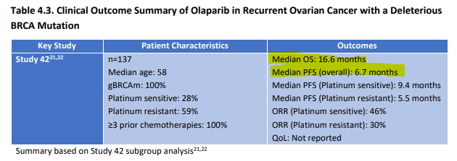
 | ICER cancer survival estimates (months) (i) |  | (ii) | (iii) | (iv) | (v) | (vi)
 | PFS | OS | OS:PFS ratio | Imputed OS | ICER cost-effectiveness ratio | Ratio of imputed OS for each drug to the ICER-reported OS for Olaparib | Alternate cost-effectiveness ratio ($000/QALY)
BRCA-recurrent population - Analyses (a) and (b)
Olaparib | 6.7 | 16.6 | 2.5 | No need to impute | $146 | Not applicable | Not applicable
Rucaparib | 12.7 |  |  | 31.5 | $295 | 1.9 | $156
Maintenance therapy for Platinum-sensitive disease - Analyses (c), (d), and (e)
Niraparib | 21 |  |  | 74.5 | $291 | 2.5 | $117
Olaparib | 8.4 | 29.8 | 3.5 | No need to impute | $324 | Not applicable | Not applicable
Rucaparib | 16.6 |  |  | 58.9 | $369 | 2 | $187

 |  |  | Value | Report location
Panel (i) | BRCA | Olaparib | 6.7 | Table 4.3 |  |  |  | Page 28
PFS |  | Rucaparib | 12.7 | Table 4.6
 | Platinum | Nicaparib | 21 | Table 4.5
 |  | Olaparib | 8.4 | Page 28
 |  | Rucaparib | 16.6 | Page 34
Panel (i) | BRCA | Olaparib | 16.6 | Table 4.3
OS | Platinum | Olaparib | 29.8 | Page 27

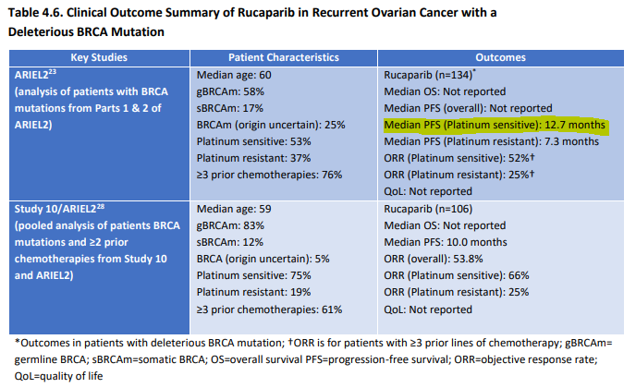
CE_Scale | 1000
RoundPlace | 0

 |  |  |  |  |  |  |  | Page 34

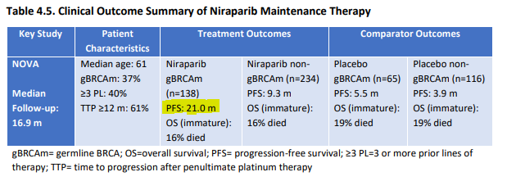

 |  |  |  |  |  |  |  | Page 27

ICER Base case
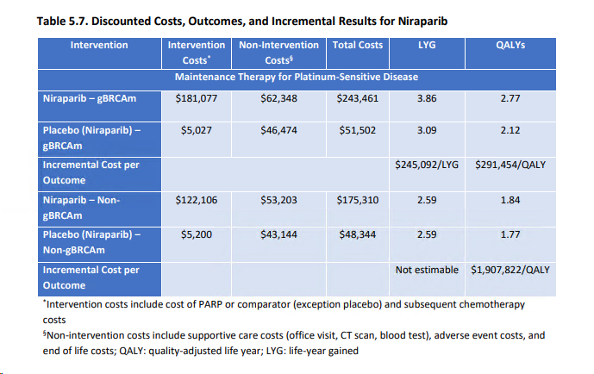
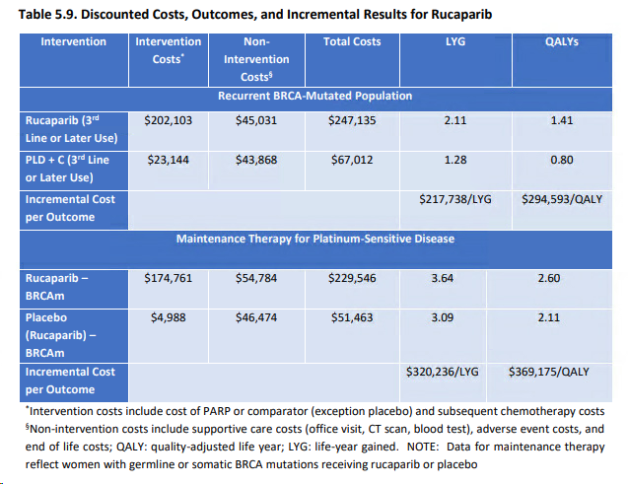
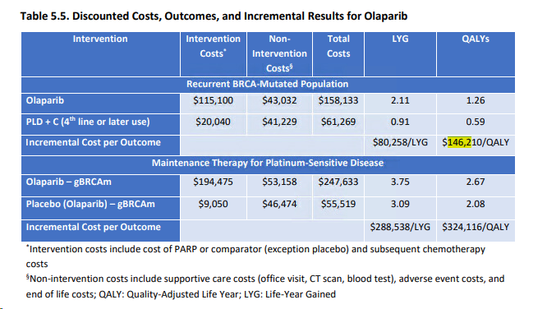
Drug | Population |  |  | Base case | Sensitivity Analysis
Olaparib | BRCA | CE_BC_olaparib_BRCA | $146,210 | Table 5.5 | Figure 5.2
Olaparib | Platinum | CE_BC_olaparib_Platinum | $324,116 | Table 5.5 | Figure E2
Niraparib | Platinum | CE_BC_nicaparib_Platinum | $291,454 | Table 5.7 | Figure 5.3
Rucaparib | BRCA | CE_BC_rucaparib_BRCA | $294,593 | Table 5.9 | Figure E1
Rucaparib | Platinum | CE_BC_rucaparib_Platinum | $369,175 | Table 5.9 | Figure E3

ICER Table 5pt3
From Table 5.3 - Page 50 in 2017 09 28 ICER Final Evidence Report

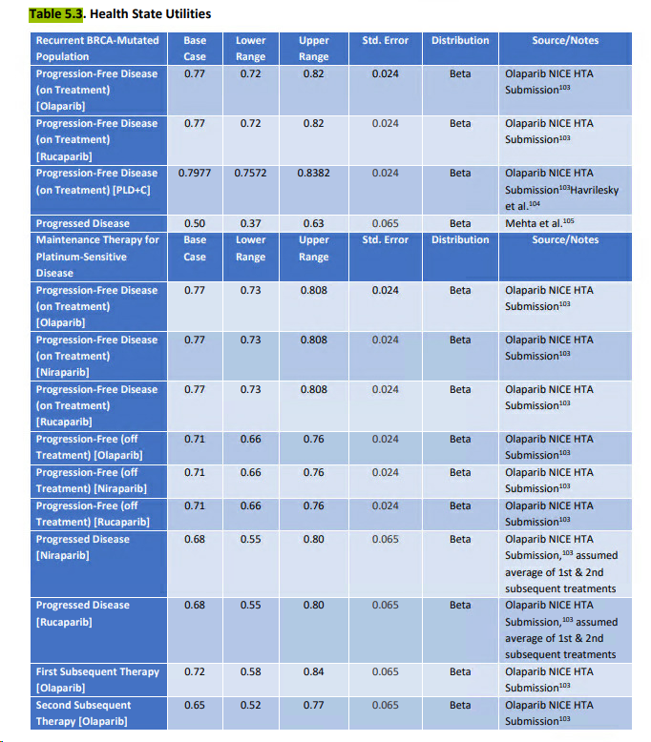
 | Base case | Lower | Upper
Recurrent BCRCA-Mutated Population
Progression-free disease on treatment (Olaparib) | 0.77 | 0.72 | 0.82
Progression-free disease (on treatment) (Rucaparib) | 0.77 | 0.72 | 0.82
Progression-free disease (on treatment) (PLD+C) | 0.7977 | 0.7572 | 0.8382
Progressed disease | 0.5 | 0.37 | 0.63

Maintenance therapy for platinum-sensitive disease
Progression-free disease (on treatment) (Olaparib) | 0.77 | 0.73 | 0.808
Progression-free disease (on treatment) (Niraparib) | 0.77 | 0.73 | 0.808
Progression-free disease (on treatment) (Rucaparib) | 0.77 | 0.73 | 0.808
Progression-free disease (off treatment) (Olaparib) | 0.71 | 0.66 | 0.76
Progression-free disease (off treatment) (Niraparib) | 0.71 | 0.66 | 0.76
Progression-free disease (off treatment) (Rucaparib) | 0.71 | 0.66 | 0.76
Progressed disease - Niraparib | 0.68 | 0.55 | 0.8
Progressed disease - Rucaparib | 0.68 | 0.55 | 0.8
First subsequent therapy (Olaparib) | 0.72 | 0.58 | 0.84
Second subsequent therapy (Olaparib) | 0.65 | 0.52 | 0.77

ICER Fig 5pt2
Figure 5.2. Olaparib versus PLD+C (4th line or later use) in Recurrent BRCA-Mutated Population

 | CE ratio |  | Input
 | Lower | Upper | Lower | Upper

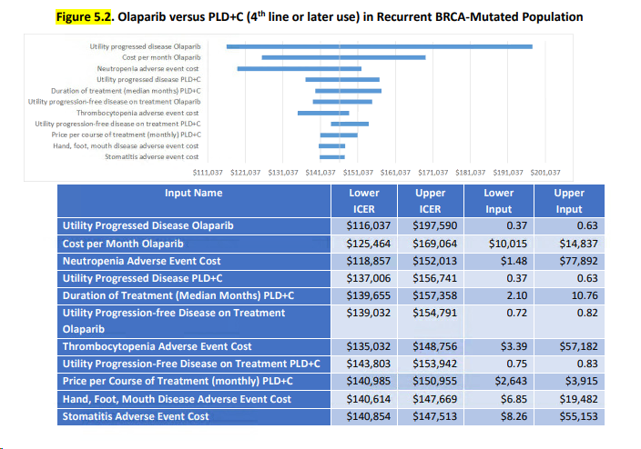
Utility - Progressed disease olaparib | $116,037 | $197,590 | 0.37 | 0.63
Cost per month olaparib | $125,464 | $169,064 | $10,015 | $14,837
Neutropenia adverse event cost | $118,857 | $152,013 | $1.48 | $77,892
Utility - Progressed disease PLD+C | $137,006 | $156,741 | 0.37 | 0.63
Duration of treatment (median months) PLD+C | $139,655 | $157,358 | 2.10 | 10.76
Utility - Progression-free disease on treatment olaparib | $139,032 | $154,791 | 0.72 | 0.82
Thrombocyteopenia adverse event cost | $135,032 | $148,756 | $3.39 | $57,182
Utility - Progression-free disease on treatment PLD+C | $143,803 | $153,942 | 0.75 | 0.83
Price per course of treatment (monthly) PLD+C | $140,985 | $150,955 | $2,643 | $3,915
Hand, foot, mouth disease adverse event cost | $140,614 | $147,669 | $6.85 | $19,482
Stomatitis adverse event cost | $140,854 | $147,513 | $8.26 | $55,153

ICER Fig 5pt3
Figure 5.3. Niraparib versus Placebo in Maintenance Therapy for Platinum-Sensitive Disease (gBRCAm)
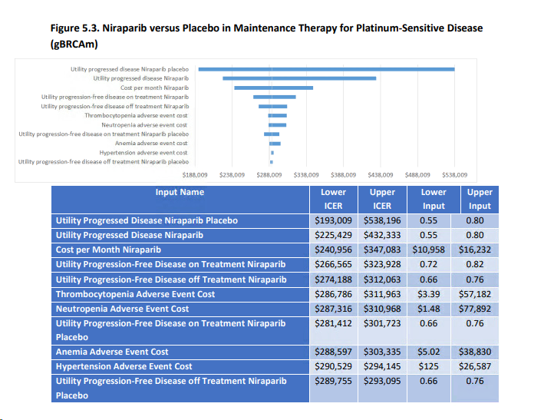
 | CE ratio |  | Input
 | Lower | Upper | Lower | Upper

Utility - Progressed disease niraparib placebo | $193,009 | $538,196 | 0.55 | 0.80
Utility - Progressed disease niraparib | $225,429 | $432,333 | 0.55 | 0.80
Cost per month niraparib | $240,956 | $347,083 | $10,958 | $16,232
Utility - progression-free disease on treatment niraparib | $266,565 | $323,928 | 0.72 | 0.82
Utility - progression-free disease off treatment niraparib | $274,188 | $312,063 | 0.66 | 0.76
Thrombocytopenia adverse event cost | $286,786 | $311,963 | $3.39 | $57,182
Neutropenia adverse event cost | $287,316 | $310,968 | $1.48 | $77,892
Utility - progression-free disease on treatment niraparib placebo | $281,412 | $301,723 | 0.66 | 0.76
Anemia adverse event cost | $288,597 | $303,335 | $5.02 | $38,830
Hypertension adverse event cost | $290,529 | $294,145 | $125 | $26,587
Utility - progression-free disease off treatment niraparib placebo | $289,755 | $293,095 | 0.66 | 0.76

ICER Fig E1
Figure E1. Rucaparib Versus PLD+C (3rd line or later use) in Recurrent BRCA-Mutated Population

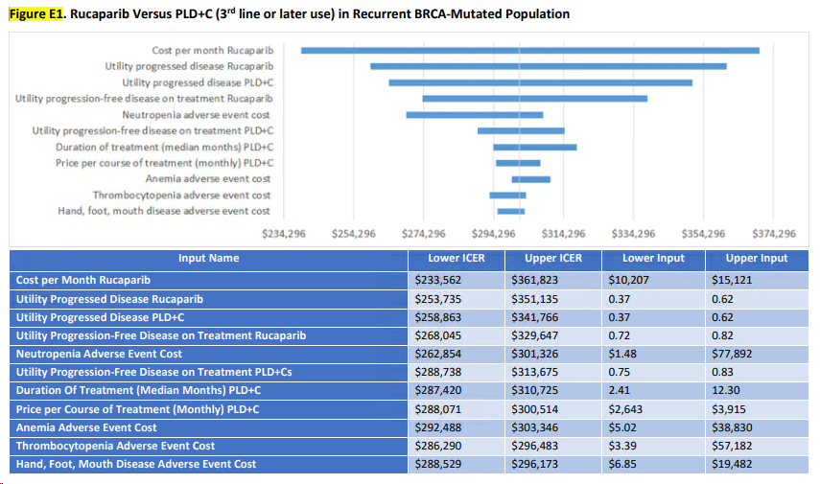
 | CE ratio |  | Input
 | Lower | Upper | Lower | Upper

Cost per month of rucaparib | $233,562 | $361,823 | $10,207 | $15,121
Utility - Progressed disease - rucaparib | $253,735 | $351,135 | 0.37 | 0.62
Utility - Progressed disease - PLD+C | $258,863 | $341,766 | 0.37 | 0.62
Utility - Progression-free disease on treatment - rucaparib | $268,045 | $329,647 | 0.72 | 0.82
Neutropenia - Adverse event cost | $262,854 | $301,326 | $1.48 | $77,892
Utility - progression-free disease on treatment PLD+Cs | $288,738 | $313,675 | 0.75 | 0.83
Duration of treatment (median months) PLD+C | $287,420 | $310,725 | 2.41 | 12.3
Pricer per course of treatment (monthly) PLD+C | $288,071 | $300,514 | $2,643 | $3,915
Anemia - Adverse event cost | $292,488 | $303,346 | $5.02 | $38,830
Thrombocytopenia - Adverse event cost | $286,290 | $296,483 | $3.39 | $57,182
Hand, foot, mouth disease - Adverse event cost | $288,529 | $296,173 | $6.85 | $19,482

ICER Fig E2
Figure E2. Olaparib – gBRCAm Versus Placebo in Maintenance Therapy for Platinum-Sensitive Disease

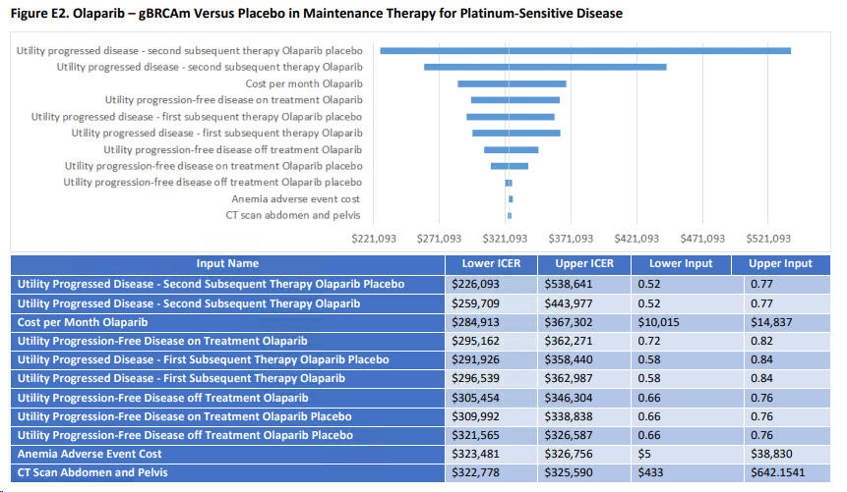
 | CE ratio |  | Input
 | Lower | Upper | Lower | Upper

Utility - Progressed disease - 2nd subsequent therapy olaparib placebo | $226,093 | $538,641 | 0.52 | 0.77
Utility - Progressed disease - 2nd subsequent therapy olaparib | $259,709 | $443,977 | 0.52 | 0.77
Cost per month - Olaparib | $284,913 | $367,302 | $10,015 | $14,837
Utility - Progression-free disease on treatment olaparib | $295,162 | $362,271 | 0.72 | 0.82
Utility - Progressed disease - 1st subsequent therapy olaparib placebo | $291,926 | $358,440 | 0.58 | 0.84
Utility - Progressed disease - 1st subsequent therapy olaparib | $296,539 | $362,987 | 0.58 | 0.84
Utility - Progression-free disease off treatment olaparib | $305,454 | $346,304 | 0.66 | 0.76
Utility - Progression-free disease on treatment olaparib placebo | $309,992 | $338,838 | 0.66 | 0.76
Utility - Progression-free disease off treatment olaparib placebo | $321,565 | $326,587 | 0.66 | 0.76
Anemia - Adverse event cost | $323,481 | $326,756 | $5 | $38,830
CT Scan - Abdomen and pelvis | $322,778 | $325,590 | $433 | $642.1541

ICER Fig E3
Figure E3. Rucaparib – gBRCAm Versus Placebo in Maintenance Therapy for Platinum-Sensitive Disease

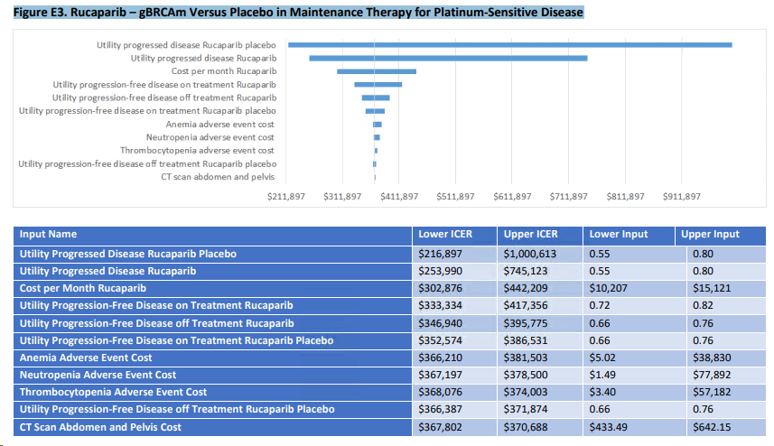
 | CE ratio |  | Input
 | Lower | Upper | Lower | Upper

Utility - Progressed disease - Rucaparib placebo | $216,897 | $1,000,613 | 0.55 | 0.8
Utility - Progressed disease - Rucabarib | $253,990 | $745,123 | 0.55 | 0.8
Cost per month - Rucaparib | $302,876 | $442,209 | $10,207 | $15,121
Utility - Progression-free disease on treatment Rucaparib | $333,334 | $417,356 | 0.72 | 0.82
Utility - Progression-free disease off treatment Rucaparib | $346,940 | $395,775 | 0.66 | 0.76
Utility - Progression-free disease on treatment Rucaparib placebo | $352,574 | $386,531 | 0.66 | 0.76
Anemia - Adverse event cost | $366,210 | $381,503 | $5.02 | $38,830
Neutropenia - Adverse event cost | $367,197 | $378,500 | $1.49 | $77,892
Thrombocytopenia - Adverse event cost | $368,076 | $374,003 | $3.40 | $57,182
Utility - Progression-free disease off treatment rucaparib placebo | $366,387 | $371,874 | 0.66 | 0.76
CT Scan Abdomen and Pelvis cost | $367,802 | $370,688 | $433.49 | $642.15

